Frequency
Bi Weekly

This frequency should run same as the weekly frequency does in outlook with space to provide day or date with a start date and end date (no end date) option, however, the cycle will run every 14 days instead of 7 days. Please see snip below as an example
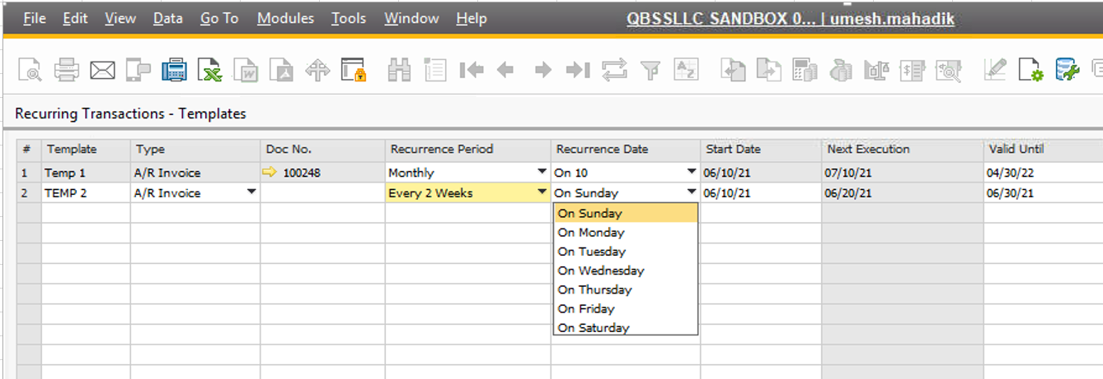

Bi-Monthly

This frequency should run same as the monthly frequency does in outlook with space to provide date of the month with a start date and end date (no end date) option, however, the cycle will run every 2 months instead of every month. Please see snip below as an example

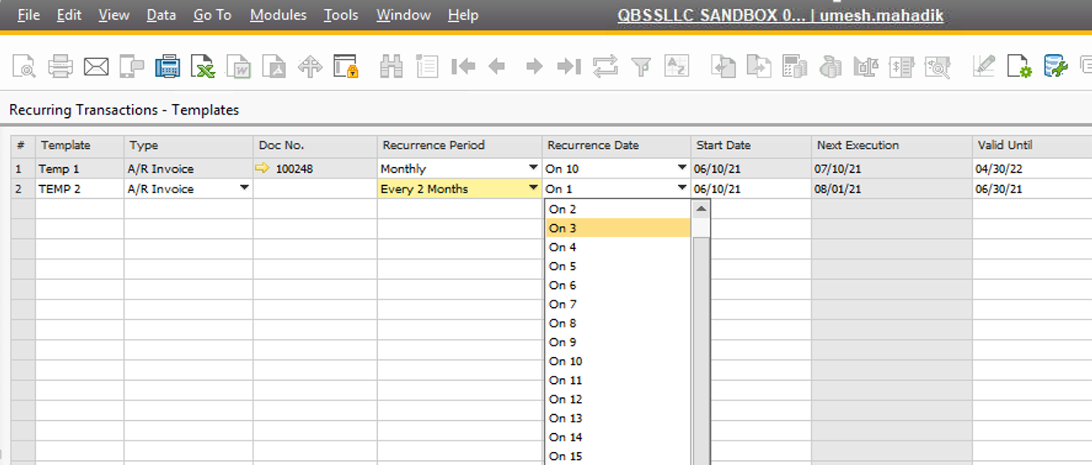

Semi-monthly

This frequency should run same as the monthly frequency does in outlook with space to provide 2 dates of the month on which the activity will fall due with a start date and end date (no end date) option. Please see snip below as an example- instead of invoice generation it will be Due Date 1 and Due Date 2

Quarrterly

This frequency should run same as the monthly frequency does in outlook with space to provide date of the month with a start date and end date (no end date) option, however, the cycle will run every3 months instead of every month. Please see snip below as an example

Dashboard Samples
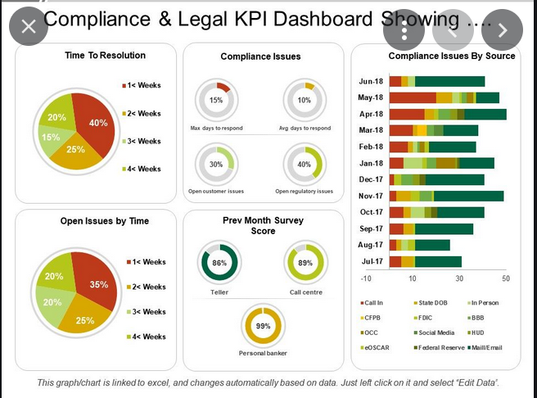
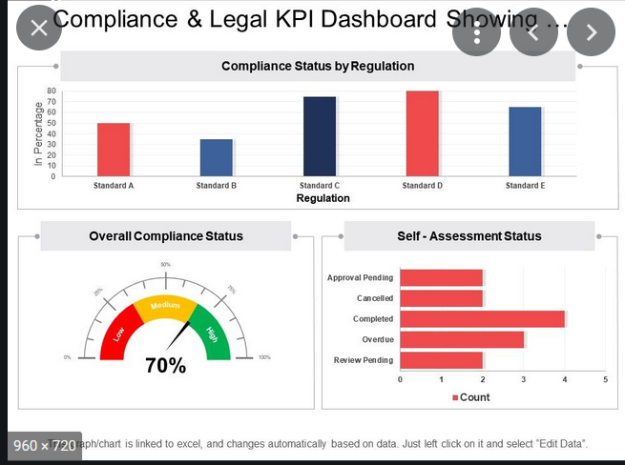

Compliance calender

